Q6
6.
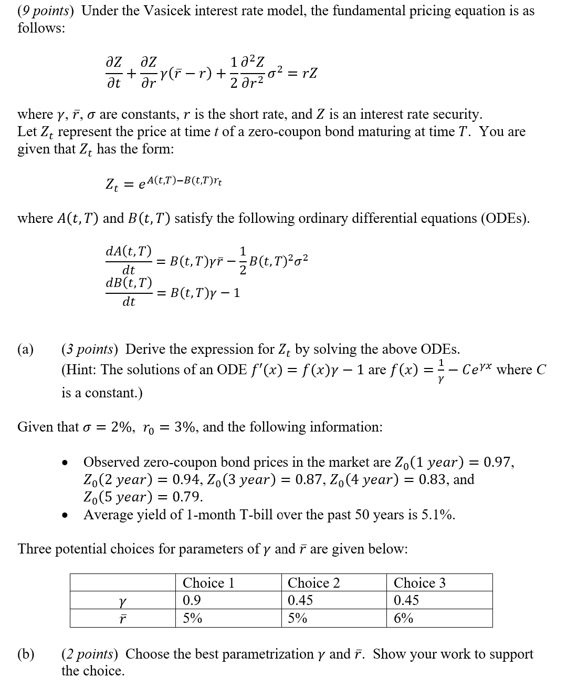

 | Fill in your final answers here:
 | the best parametrization |  |  | 0.45
 | the best parametrization |  |  | 6%
 | Show your work here:

 |  |  |  |  |  | Time (year) |  | Observed Bond Price |  | A(t,T) | B(t,T) | Z | Difference
 | σ | 2% |  |  |  | 1 |  | 0.97 |  | -0.011635530837 | 0.80527077417 | 0.96483936363 | -0.005160636373
 | ϒ | 0.45 | Choose from 3 choices |  |  | 2 |  | 0.94 |  | -0.0405895571 | 1.3187340895 | 0.92297643121 | -0.017023568786
 | r | 6.0% | Choose from 3 choices |  |  | 3 |  | 0.87 |  | -0.080497049261 | 1.6461327541 | 0.87819990249 | 0.0081999024938
 | r0 | 3% |  |  |  | 4 |  | 0.83 |  | -0.12735247527 | 1.8548913595 | 0.83276880858 | 0.0027688085828
 |  |  |  |  |  | 5 |  | 0.79 |  | -0.17862333924 | 1.9880017232 | 0.78799511299 | -0.0020048870125
 |  |  |  |  |  |  |  |  |  |  |  |  | Sum of Square of Differences
 |  |  |  | choice1 | choice2 | choice3 |  |  |  |  |  |  | 0.00039535833578
 | Sum of Square of Differences |  |  | 0.00054211658003 | 0.001454095433 | 0.00039535833578
 |  |  |  | choice 3 gives the lowest sum of square difference, thus the best choice

 | Fill in your final answers here:
 | Zero-coupon bond (4 year) |  |  | 6761.1864121
 | Cash |  |  | 2487.3014789

 | Show your work here:

 |  |  |  |  |  | Time (year) |  | Observed Bond Price |  | A(t,T) | B(t,T) | Z
 | σ | 2% |  |  |  | 1 |  | 9,700 |  | -0.01167177801 | 0.78693868057 | 0.96533514403
 | ϒ | 0.5 |  |  |  | 2 |  | 9,400 |  | -0.040197792544 | 1.2642411177 | 0.9248487891
 | r | 5.5% |  |  |  | 3 |  | 8,700 |  | -0.078870130759 | 1.5537396797 | 0.8820713583
 | r0 | 3% |  |  |  | 4 |  | 8,300 |  | -0.12366846076 | 1.7293294335 | 0.83899683593
 |  |  |  |  |  | 5 |  | 7,900 |  | -0.17217206821 | 1.8358300028 | 0.79672399243

 |  |  |  |  |  |  |  | B(0,t)*Z(0,t)
 |  |  |  |  |  |  | t=2 | 1.1692318668
 |  |  |  |  |  |  | t=4 | 1.450901923 |  | delta | 0.80586554354

 | Fill in your final answers here:
 | P_0.5 |  |  | 9479.64

 | Show your work here:

 |  |  |  |  |  | For Z(2) |  |  | For Z(4)
 |  | r(t) | Time t | Z(2) | Z(4) | T-t | B | A | T-t | B | A | Δ | Cash
 |  | 0.03 | 0 | 9248.49 | 8389.97 | 2 | 1.2642411177 | -0.040197792544 | 4 | 1.7293294335 | -0.12366846076 | 0.80586554354 | 2487.30
 |  | 0.0282 | 0.5 | 9473.51 | 8630.50 | 1.5 | 1.0552668945 | -0.024327251961 | 3.5 | 1.6524521131 | -0.10068321507 | 0.70098414347 | 3429.7901846

Q8
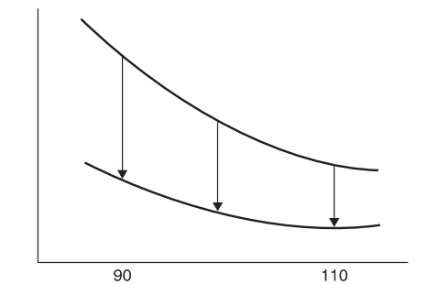
Curve A
Stock (S) | 100
Strike (K1) | 100
Strike (K2) | 120
Interest Rate (r ) | 0%
Dividend (d) | 0%
Maturity (T) | 1.0
Implied Vol | 0.15
Curve B
Call Spread Delta
 | Call Spread Delta
70 | 0.0104
75 | 0.0316
80 | 0.0746
85 | 0.1435
90 | 0.2325
95 | 0.3256
100 | 0.4028
105 | 0.4480
110 | 0.4545
115 | 0.4256
120 | 0.3717
125 | 0.3052
130 | 0.2373
135 | 0.1759
140 | 0.1249
145 | 0.0853
150 | 0.0563
155 | 0.0361
160 | 0.0225

Populate the highlighted range:
 | Stock | Call Spread Delta | N(d1) where K1=100 | N(d1) when K2=120 | d1 (K1=100) | d1 (K2=120)
 | 70 | 0.0104 | 0.0106 | 0.0002 | -2.3028 | -3.5183
 | 75 | 0.0316 | 0.0327 | 0.0011 | -1.8429 | -3.0584
 | 80 | 0.0746 | 0.0789 | 0.0043 | -1.4126 | -2.6281
 | 85 | 0.1435 | 0.1566 | 0.0131 | -1.0085 | -2.2239
 | 90 | 0.2325 | 0.2652 | 0.0327 | -0.6274 | -1.8429
 | 95 | 0.3256 | 0.3948 | 0.0691 | -0.2670 | -1.4824
 | 100 | 0.4028 | 0.5299 | 0.1270 | 0.0750 | -1.1405
 | 105 | 0.4480 | 0.6555 | 0.2075 | 0.4003 | -0.8152
 | 110 | 0.4545 | 0.7613 | 0.3068 | 0.7104 | -0.5051
 | 115 | 0.4256 | 0.8430 | 0.4173 | 1.0067 | -0.2087
 | 120 | 0.3717 | 0.9016 | 0.5299 | 1.2905 | 0.0750
 | 125 | 0.3052 | 0.9409 | 0.6358 | 1.5626 | 0.3471
 | 130 | 0.2373 | 0.9659 | 0.7286 | 1.8241 | 0.6086
 | 135 | 0.1759 | 0.9810 | 0.8052 | 2.0757 | 0.8602
 | 140 | 0.1249 | 0.9898 | 0.8649 | 2.3181 | 1.1027
 | 145 | 0.0853 | 0.9946 | 0.9093 | 2.5521 | 1.3366
 | 150 | 0.0563 | 0.9973 | 0.9409 | 2.7781 | 1.5626
 | 155 | 0.0361 | 0.9986 | 0.9626 | 2.9967 | 1.7812
 | 160 | 0.0225 | 0.9993 | 0.9769 | 3.2084 | 1.9929

Call Spread Gamma
 | Stock | Gamma | Gamma (ATM call) | Gamma (OTM call) | d1 (K=100) | N'(d1) (K=100) | d1 (K=120) | N'(d1) K=120
 | 70 | 0.0026 | 0.0027 | 0.0001 | -2.3028 | 0.0281 | -3.5183 | 0.0008
 | 75 | 0.0062 | 0.0065 | 0.0003 | -1.8429 | 0.0730 | -3.0584 | 0.0037
 | 80 | 0.0112 | 0.0123 | 0.0011 | -1.4126 | 0.1471 | -2.6281 | 0.0126
 | 85 | 0.0162 | 0.0188 | 0.0026 | -1.0085 | 0.2399 | -2.2239 | 0.0336
 | 90 | 0.0189 | 0.0243 | 0.0054 | -0.6274 | 0.3277 | -1.8429 | 0.0730
 | 95 | 0.0177 | 0.0270 | 0.0093 | -0.2670 | 0.3850 | -1.4824 | 0.1330
 | 100 | 0.0126 | 0.0265 | 0.0139 | 0.0750 | 0.3978 | -1.1405 | 0.2082
 | 105 | 0.0052 | 0.0234 | 0.0182 | 0.4003 | 0.3682 | -0.8152 | 0.2862
 | 110 | -0.0025 | 0.0188 | 0.0213 | 0.7104 | 0.3100 | -0.5051 | 0.3512
 | 115 | -0.0087 | 0.0139 | 0.0226 | 1.0067 | 0.2403 | -0.2087 | 0.3903
 | 120 | -0.0125 | 0.0096 | 0.0221 | 1.2905 | 0.1735 | 0.0750 | 0.3978
 | 125 | -0.0138 | 0.0063 | 0.0200 | 1.5626 | 0.1177 | 0.3471 | 0.3756
 | 130 | -0.0131 | 0.0039 | 0.0170 | 1.8241 | 0.0756 | 0.6086 | 0.3315
 | 135 | -0.0113 | 0.0023 | 0.0136 | 2.0757 | 0.0463 | 0.8602 | 0.2756
 | 140 | -0.0090 | 0.0013 | 0.0103 | 2.3181 | 0.0272 | 1.1027 | 0.2172
 | 145 | -0.0068 | 0.0007 | 0.0075 | 2.5521 | 0.0154 | 1.3366 | 0.1633
 | 150 | -0.0049 | 0.0004 | 0.0052 | 2.7781 | 0.0084 | 1.5626 | 0.1177
 | 155 | -0.0033 | 0.0002 | 0.0035 | 2.9967 | 0.0045 | 1.7812 | 0.0816
 | 160 | -0.0022 | 0.0001 | 0.0023 | 3.2084 | 0.0023 | 1.9929 | 0.0548

Risk Reversal Vega
 | Stock | Vega | Vega (OTM call) | Vega (OTM put) | d1 (K=110) | N'(d1) (K=110) | d1 (K=90) | N'(d1) K=90
 | 55 | -0.0024 | 0.0007 | 0.0031 | -4.5460 | 0.0000 | -4.2082 | 0.0001
 | 60 | -0.0240 | 0.0092 | 0.0332 | -3.9659 | 0.0002 | -3.6281 | 0.0006
 | 65 | -0.1443 | 0.0717 | 0.2160 | -3.4323 | 0.0011 | -3.0945 | 0.0033
 | 70 | -0.5771 | 0.3727 | 0.9497 | -2.9382 | 0.0053 | -2.6004 | 0.0136
 | 75 | -1.6398 | 1.3876 | 3.0275 | -2.4783 | 0.0185 | -2.1405 | 0.0404
 | 80 | -3.4748 | 3.9192 | 7.3939 | -2.0480 | 0.0490 | -1.7102 | 0.0924
 | 85 | -5.6710 | 8.7809 | 14.4518 | -1.6439 | 0.1033 | -1.3061 | 0.1700
 | 90 | -7.2315 | 16.1761 | 23.4076 | -1.2628 | 0.1797 | -0.9250 | 0.2601
 | 95 | -7.0921 | 25.2245 | 32.3165 | -0.9024 | 0.2655 | -0.5646 | 0.3402
 | 100 | -4.8211 | 34.0969 | 38.9180 | -0.5604 | 0.3410 | -0.2226 | 0.3892
 | 105 | -0.9219 | 40.7468 | 41.6687 | -0.2351 | 0.3881 | 0.1027 | 0.3968
 | 110 | 3.4609 | 43.7604 | 40.2995 | 0.0750 | 0.3978 | 0.4128 | 0.3664
 | 115 | 7.1432 | 42.8217 | 35.6785 | 0.3713 | 0.3724 | 0.7091 | 0.3102
 | 120 | 9.3853 | 38.6285 | 29.2432 | 0.6551 | 0.3219 | 0.9929 | 0.2437
 | 125 | 10.0399 | 32.4436 | 22.4038 | 0.9272 | 0.2595 | 1.2650 | 0.1792
 | 130 | 9.4119 | 25.5874 | 16.1755 | 1.1887 | 0.1968 | 1.5265 | 0.1244
 | 135 | 8.0048 | 19.0890 | 11.0841 | 1.4403 | 0.1414 | 1.7781 | 0.0821
 | 140 | 6.3039 | 13.5568 | 7.2528 | 1.6827 | 0.0968 | 2.0206 | 0.0518
 | 145 | 4.6601 | 9.2160 | 4.5559 | 1.9167 | 0.0636 | 2.2545 | 0.0314
 | 150 | 3.2662 | 6.0262 | 2.7600 | 2.1427 | 0.0402 | 2.4805 | 0.0184
 | 155 | 2.1870 | 3.8062 | 1.6192 | 2.3613 | 0.0246 | 2.6991 | 0.0104
 | 160 | 1.4076 | 2.3307 | 0.9231 | 2.5730 | 0.0146 | 2.9108 | 0.0058
 | 165 | 0.8753 | 1.3883 | 0.5130 | 2.7781 | 0.0084 | 3.1159 | 0.0031
 | 170 | 0.5280 | 0.8067 | 0.2787 | 2.9771 | 0.0047 | 3.3149 | 0.0016

