Q6
6.
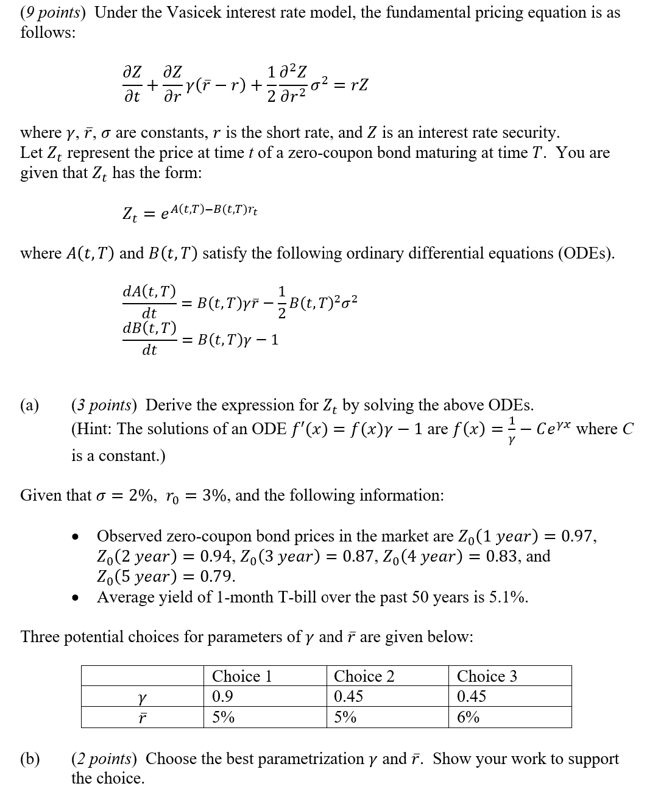

 | Fill in your final answers here:
 | the best parametrization
 | the best parametrization
 | Show your work here:

 |  |  |  | Time (year) | Observed Bond Price | A(t,T) | B(t,T) | Z | Difference
 | σ | 2% |  | 1 | 0.97 |  |  |  | -0.97
 | ϒ |  | Choose from 3 choices | 2 | 0.94 |  |  |  | -0.94
 | r |  | Choose from 3 choices | 3 | 0.87 |  |  |  | -0.87
 | r0 | 3% |  | 4 | 0.83 |  |  |  | -0.83
 |  |  |  | 5 | 0.79 |  |  |  | -0.79
 |  |  |  |  |  |  |  |  | Sum of Square of Differences
 |  |  |  |  |  |  |  |  | 3.8944

 | Fill in your final answers here:
 | Zero-coupon bond (4 year)
 | Cash

 | Show your work here:

 |  |  |  | Time (year) | Observed Bond Price | A(t,T) | B(t,T) | Z
 | σ | 2% |  | 1 | 9,700
 | ϒ | 0.5 |  | 2 | 9,400
 | r | 5.5% |  | 3 | 8,700
 | r0 | 3% |  | 4 | 8,300
 |  |  |  | 5 | 7,900

 | Fill in your final answers here:
 | P_0.5

 | Show your work here:

Q7
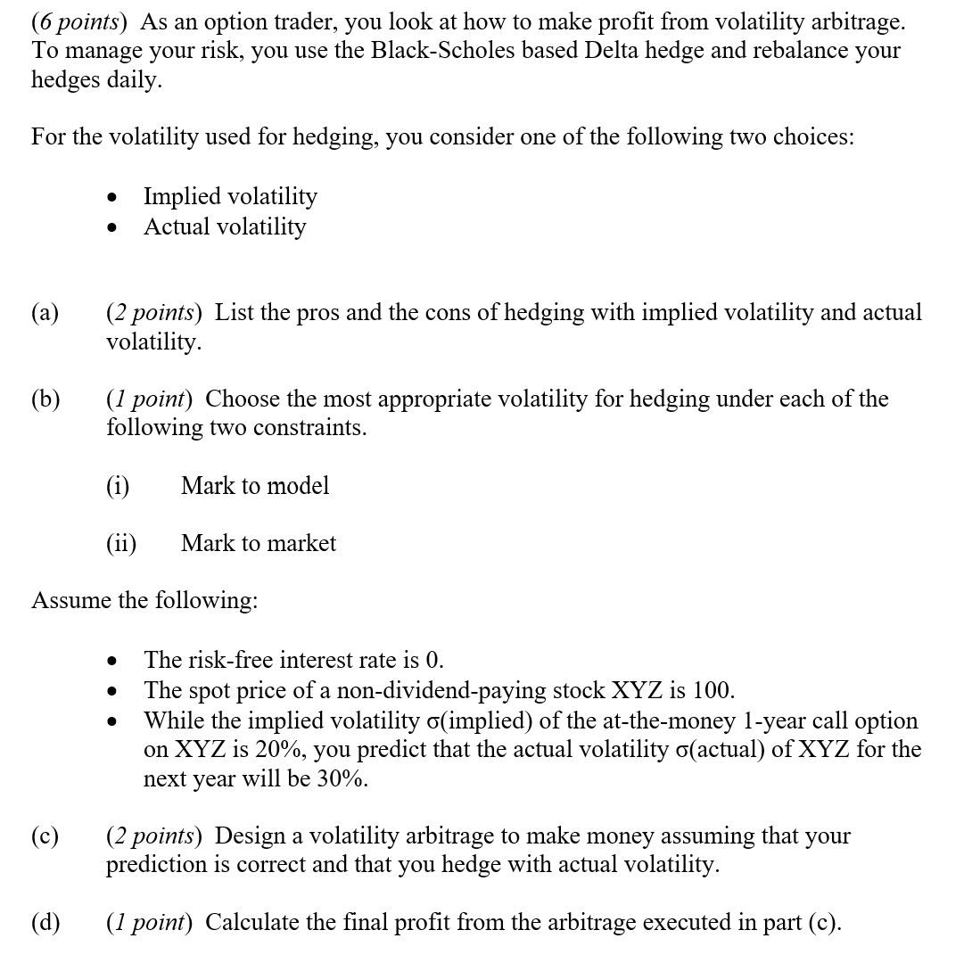
7.

 | Fill in your final answers here:
 | Final Profit

 | Show your work here:
 |  |  |  |  | Could use this table
 | Stock (S) | 100 | actual vol | implied vol | Value x | Standard Normal N(x)
 | Strike (K) | 100 | d1 | d1 | 0.10 | 0.5398
 | Interest Rate (r ) | 0 | d2 | d2 | 0.15 | 0.5596
 | Dividend (d) | 0.0 | N(d1) | N(d1) | 0.20 | 0.5793
 | Maturity (T) | 1.0 | N(d2) | N(d2) | 0.25 | 0.5987
 | Actual Vol | 0.3 |  |  | 0.30 | 0.6179
 | Implied Vol | 0.2

Q8
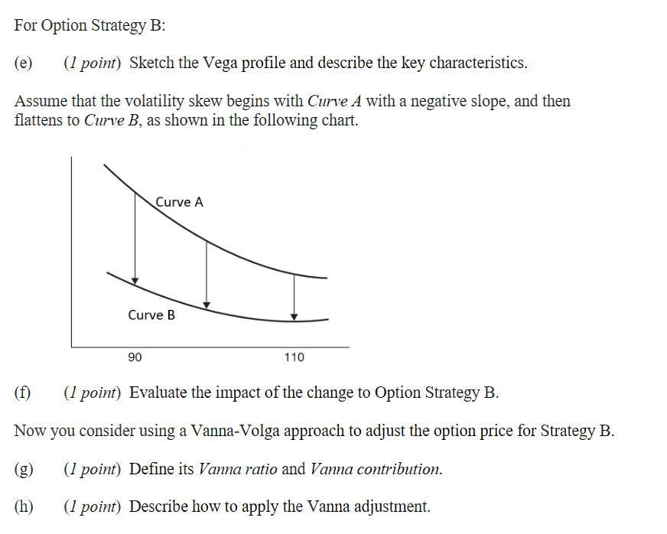
8.
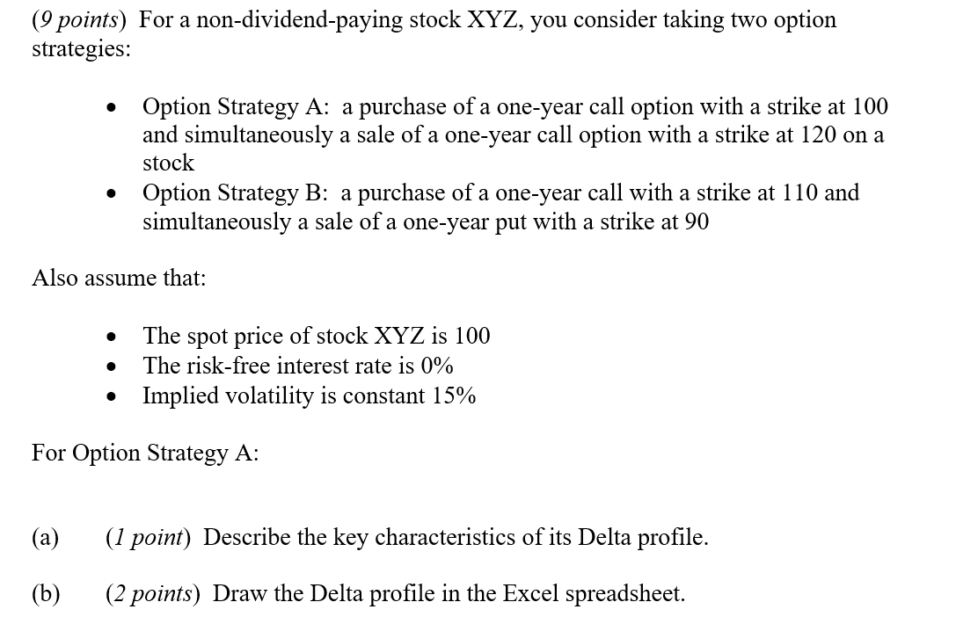

Delta Profile
 | Fill in your final answers here:
 | Populate the highlighted range below:
 | Stock | Delta
 | 75 | 0.1000
 | 80 | 0.0900
 | 85 | 0.1000
 | 90 | 0.0900
 | 95 | 0.1000
 | 100 | 0.0900
 | 105 | 0.1000
 | 110 | 0.0900
 | 115 | 0.1000
 | 120 | 0.0900
 | 125 | 0.1000

 | Show your work here:

 | Stock (S) |  | 100
 | Strike (K1) |  | 100
 | Strike (K2) |  | 120
 | Interest Rate (r ) |  | 0%
 | Dividend (d) |  | 0%
 | Maturity (T) |  | 1.0
 | Implied Vol |  | 0.15

 | Stock | Delta
 | 75 | 0.1000
 | 80 | 0.0900
 | 85 | 0.1000
 | 90 | 0.0900
 | 95 | 0.1000
 | 100 | 0.0900
 | 105 | 0.1000
 | 110 | 0.0900
 | 115 | 0.1000
 | 120 | 0.0900
 | 125 | 0.1000

